Sheet1
 | Document No. |  | Issue No. |  | Issue Date |  |  | Review and Replace Date |  |  | Authorised By
 | GFF267MC |  | 1 |  | 18.02.2021 |  |  | New Issue |  |  | Magda Shah
 | Document Title |  | Egg Spinach & Mixed Seeds Pot 103g
Document amendments reason for change | New product launch |  |  |  | Page 1 of 1 |  | Previous Issue Date |  | New Issue |  | Uncontrolled copy unless signed original

NON-GAS FLASHED PRODUCT
CEGSC-G18TDG |  | FSC |  |  |  | Egg, Spinach & Mixed Seeds Pot 103g | CHILLED
STEP 1 |  |  |  | STEP 2 |  |  |  |  |  | STEP 3
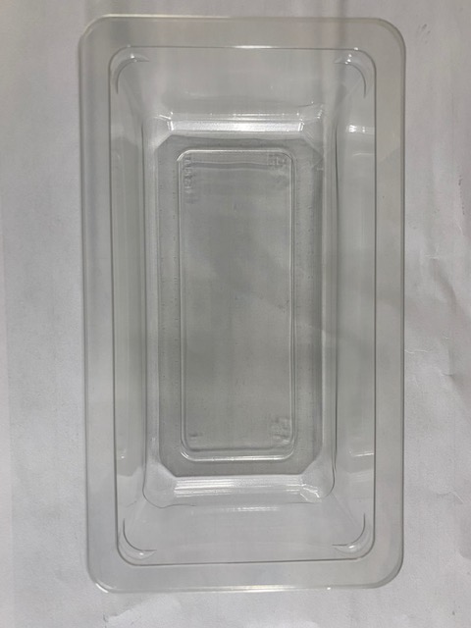 |  |  |  | 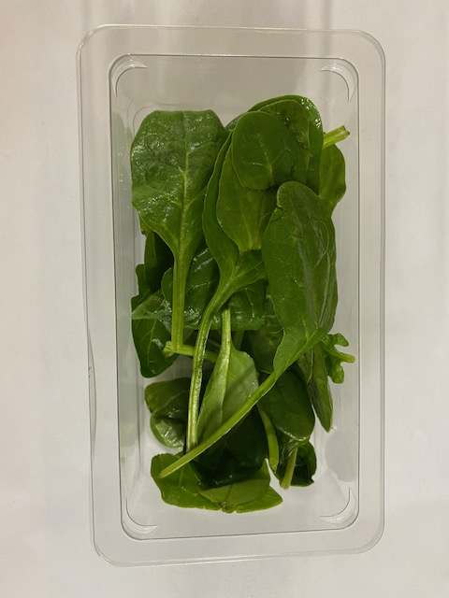 |  |  |  |  |  | 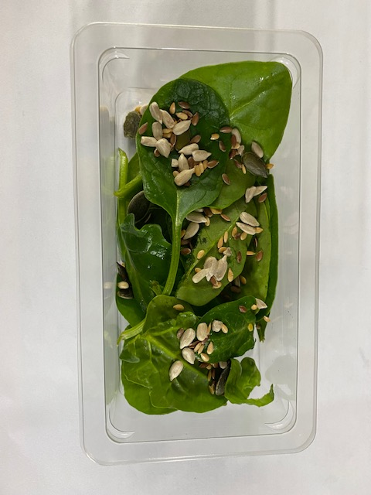

Packaging: Single Cavity Tray 149mm x 85mm x 43mm (PKLEE001-05) |  |  |  | Spinach Baby Leaves RTE: 15g (+ 2g) |  |  |  |  |  | Mixed Seeds: 4g (+1g)
Line 1: Mylar 250LAF 250mm x 1000 (PKWRA001-08) Line 1: K-Peel 75G + AF 25 250mm (PKKMP001-01) Line 2: Mylar 25OLAF - 380mm wide (PKWRA001-02) |  |  |  | RMIHF001-58 |  |  |  |  |  | GFF354R
STEP 4 |  |  |  |  |  |  | STEP 5
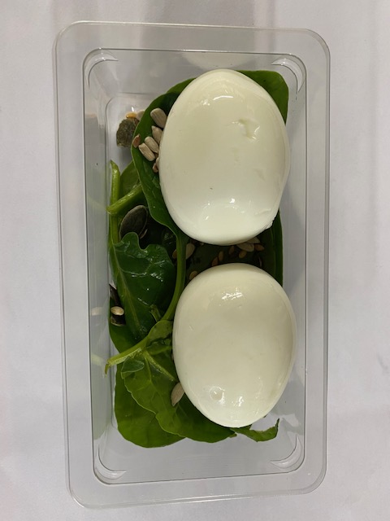
DATE OF PACK
+ 4 DAYS

Boiled Eggs (RMFRE008-01): 2 Pieces (min. 84g) |  |  |  |  |  |  |  |  | TOTAL WEIGHT: 103g

ALLERGY ALERT: Egg

